_Lifestyle
 |  |  | 36 | 37 | 37.5 | 38 | 38.5 | 39 | 39,5 |  |  |  |  |  |  | 28 | 28.5 | 29 | 30 | 30.5 | 31
 |  |  | 20 | 20.5 | 21 | 21.5 | 22.5 | 23 | 23.5 | 24 | 25 | 25.5 | 26 | 26.5 | 27.5
 |  |  | 36 | 37 | 37.5 | 38 | 38.5 | 39.5 | 40 | 40.5 | 41.5 | 42 | 42.5 | 43 | 44 | 44.5 | 45 | 45.5 | 46.5 | 47 | 47.5 | 49
 |  |  | 34 | 34.5 | 35 | 36 | 36.5 | 37 | 37.5 | 38 | 39 | 40 | 40.5 | 41 | 41.5 | 42.5 | 43 | 43.5 | 44 |  |  |  |  |  | -
Style | Color | Kolom1 | US 4 | US 4,5 | US 5 | US 5,5 | US 6 | US 6,5 | US 7 | US 7,5 | US 8 | US 8,5 | US 9 | US 9,5 | US 10 | US 10,5 | US 11 | US 11,5 | US 12 | US 12,5 | US 13 | 14 | Total | Στήλη1 | WHS net
M1000C | MUSHROOM (283) | 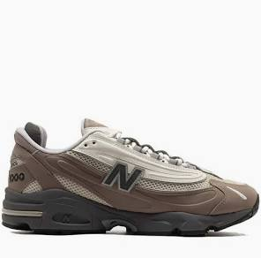 |  |  |  |  |  |  |  |  | 1 | 1 | 1 | 1 | 2 | 1 | 2 |  | 1 |  |  |  | 10 |  | 85.00 €
M1000D | WHITE (100) | 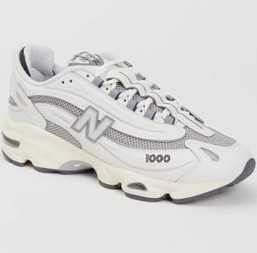 |  |  |  | 1 |  | 1 | 1 | 1 | 1 | 1 | 2 | 2 | 2 | 1 | 2 | 1 | 1 |  | 1 |  | 18 |  | 85.00 €
M1000N | ARID STONE (261) | 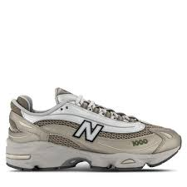 |  |  |  |  |  | 1 | 1 | 1 | 1 | 1 | 1 | 1 | 2 | 1 | 1 | 1 | 1 |  | 1 |  | 14 |  | 85.00 €
M1000S | DEEP OCEAN (457) | 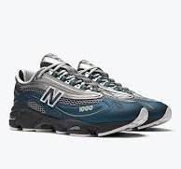 |  |  |  |  |  | 1 | 1 | 1 | 1 | 1 | 1 | 1 | 2 | 1 | 1 | 1 | 1 |  | 1 |  | 14 |  | 85.00 €
M1000T | BLACK (001) | 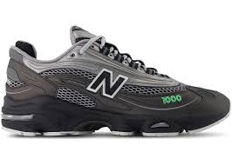 |  |  |  | 1 | 1 | 1 | 1 | 1 | 1 | 1 | 2 | 2 | 2 | 2 | 2 | 1 | 1 |  | 1 |  | 20 |  | 85.00 €
M1906RER | GREY (030) | 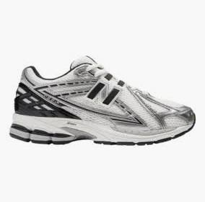 |  |  | 6 | 6 | 6 | 6 | 6 | 2 | 3 | 3 | 4 | 4 | 5 | 4 | 4 | 1 | 3 |  | 1 |  | 64 |  | 80.00 €
U1906RCN | ARID STONE (261) |  |  |  |  |  |  | 1 | 1 | 1 | 1 | 1 | 1 | 1 | 2 | 1 | 1 |  | 1 |  |  |  | 12 |  | 80.00 €
U2002RB | SHIPYARD (074) | 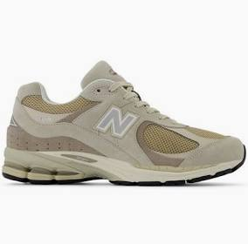 |  |  |  | 1 | 1 | 1 | 1 | 1 | 1 | 1 | 1 | 1 | 2 | 1 | 1 |  | 1 |  |  |  | 14 |  | 75.00 €
U740YC2 | MINT FLASH (310) | 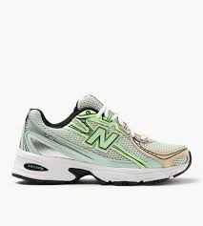 |  |  | 1 | 1 | 1 | 1 | 1 | 1 | 1 | 1 | 1 | 2 | 2 | 1 | 1 |  | 1 |  |  |  | 16 |  | 60.00 €
U9060AUB | SLATE GREY (057) | 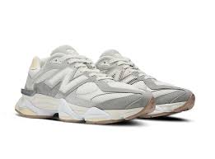 | 5 |  | 5 | 3 | 4 | 3 | 4 | 4 | 4 | 3 | 4 | 4 | 4 | 4 | 4 | 5 | 5 |  | 5 |  | 70 |  | 95.00 €
U9060BLK | BLACK (001) | 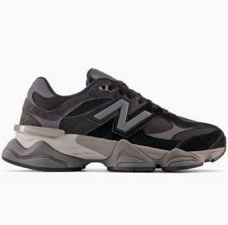 | 2 | 1 | 5 | 3 | 4 | 4 | 5 | 5 | 5 | 5 | 1 | 5 | 5 | 5 | 5 |  | 5 |  |  |  | 65 |  | 95.00 €
U9060ERC | MUSHROOM (283) |  | 5 | 3 | 1 | 1 | 1 | 1 | 1 | 1 | 3 | 3 | 4 | 3 | 4 | 4 | 4 | 5 | 5 |  | 5 |  | 54 |  | 95.00 €

 |  |  |  |  |  |  |  |  |  |  |  |  |  |  |  |  |  |  |  |  |  |  | 371

